Matrix and Kappa
Count of Rater 1 | Column Labels
Row Labels | Attribute | Implementation construct | Irrelevant for domain | Redundant or derived | Role | Vague (too generic) | Grand Total
Attribute | 47 | 5 | 7 | 6 |  | 3 | 68
Implementation construct | 3 | 67 | 16 | 1 |  |  | 87
Irrelevant for domain |  | 1 | 6 |  |  | 2 | 9
Redundant or derived | 3 | 10 | 20 | 53 | 2 | 3 | 91
Role | 2 |  | 4 | 4 | 71 | 1 | 82
Vague (too generic) |  |  | 17 | 3 |  | 14 | 34
Grand Total | 55 | 83 | 70 | 67 | 73 | 23 | 371

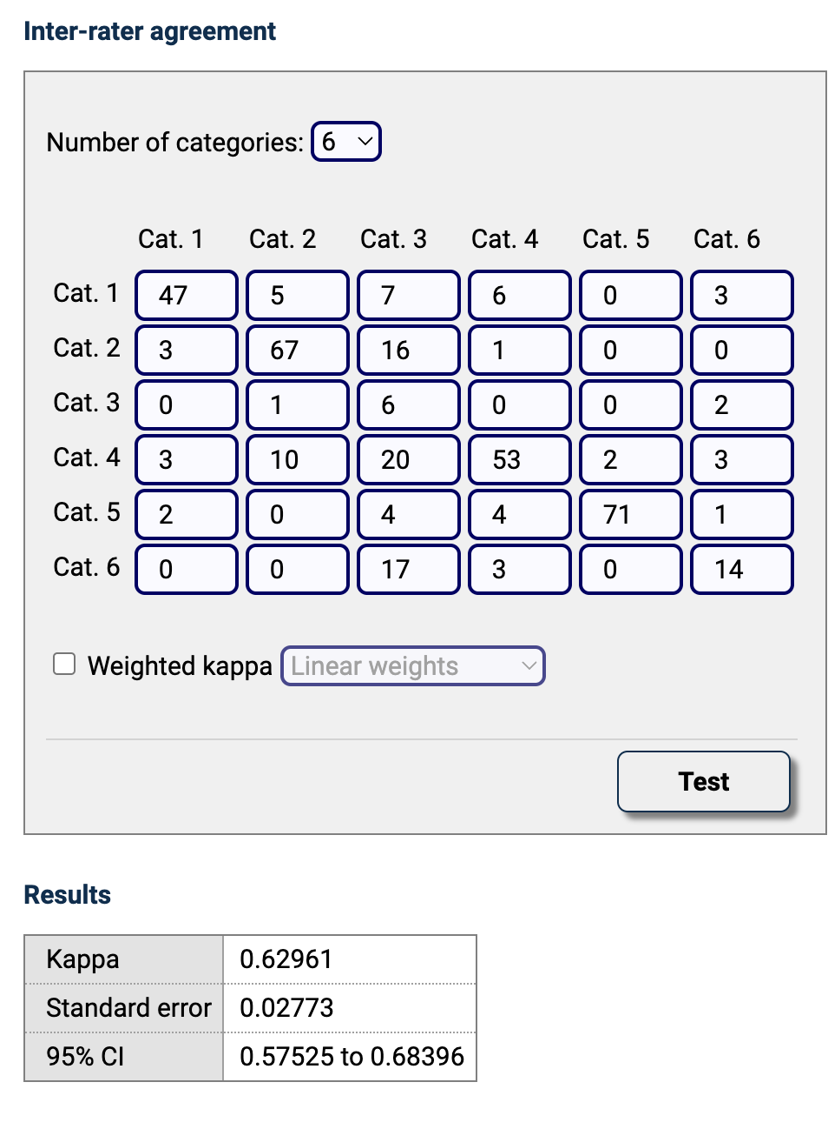

https://www.medcalc.org/calc/kappa.php

